Introduction
Group 4:
Mohammed Aamir Shuaib - 1104
Utkarsh - 1034
Ayush Som - 1022
Salman Khan - 1009

Problem:
Build a Perdictive model for TotalPaid Amount using Neural Networks
Use 80% data to build the model and 20 % for testing the predicted values
Accuracy Measure: MAPE (Mean Absolute percentage error)
MAPE =ABS ( (Total Paid Amount - Total Paid Amount Predicted by Neural Network)/Total Paid Amount) * 100

Solition Part 1
 |  | Solution Part 1

For solving most of you have taken random Samples . There is nothing wrong for learning
But to get the same answers from all I suggest that we take the same data for training & testing.

Approximately take 80% of data from the beginning for training the Neural Network and last 20% for testing.

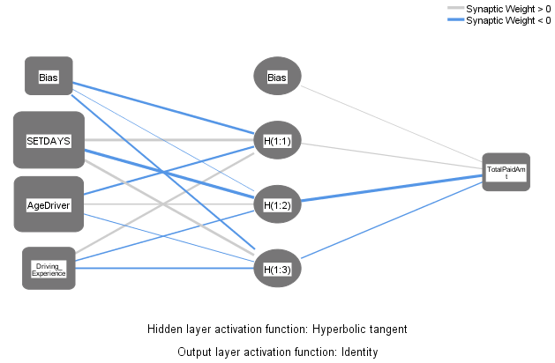
Case Processing Summary
 |  | N | Percent
Sample | Training | 3339 | 80.0%
 | Testing | 837 | 20.0%
Valid |  | 4176 | 100.0%
Excluded |  | 0
Total |  | 4176

Network Information
Input Layer | Covariates | 1 | SETDAYS
 |  | 2 | AgeDriver
 |  | 3 | Driving_Experience
 | Number of Unitsa |  | 3
 | Rescaling Method for Covariates |  | Standardized
Hidden Layer(s) | Number of Hidden Layers |  | 1
 | Number of Units in Hidden Layer 1a |  | 3
 | Activation Function |  | Hyperbolic tangent
Output Layer | Dependent Variables | 1 | TotalPaidAmt
 | Number of Units |  | 1
 | Rescaling Method for Scale Dependents |  | Standardized
 | Activation Function |  | Identity
 | Error Function |  | Sum of Squares
Driving_Experience | 0.23702546282
AgeDriver | 0.37568977226
SETDAYS | 0.38728476492
a. Excluding the bias unit

Model Summary
Training | Sum of Squares Error | 1572.699
 | Relative Error | 0.942
 | Stopping Rule Used | 1 consecutive step(s) with no decrease in errora
 | Training Time | 0:00:00.13
Testing | Sum of Squares Error | 771.127
 | Relative Error | 0.955
Dependent Variable: TotalPaidAmt
a. Error computations are based on the testing sample.

Independent Variable Importance
 | Importance | Normalized Importance
SETDAYS | 0.387 | 100.0%
AgeDriver | 0.376 | 97.0%
Driving_Experience | 0.237 | 61.2%

MAPE1_Numeric_Variables = ABS(TotalPaidAmt - Pred1_TotalPaidAmt) / TotalPaidAmt * 100
The MEAN ABSOLUTE % ERROR for the entire data is 455.2162%
 | The Error is quite high
Descriptive Statistics
 | N | Minimum | Maximum | Mean | Std. Deviation
MAPE1_Numeric_Variables | 4149 | 0.01 | 128285.09 | 455.2162 | 2361.81699
Valid N (listwise) | 4149

Solution Part 2
 |  |  | Solution Part 2

We are not Satisfied with the Accuracy now lets work on Improving the accuray

First let us look at the distribution of the TotalPaidAmt

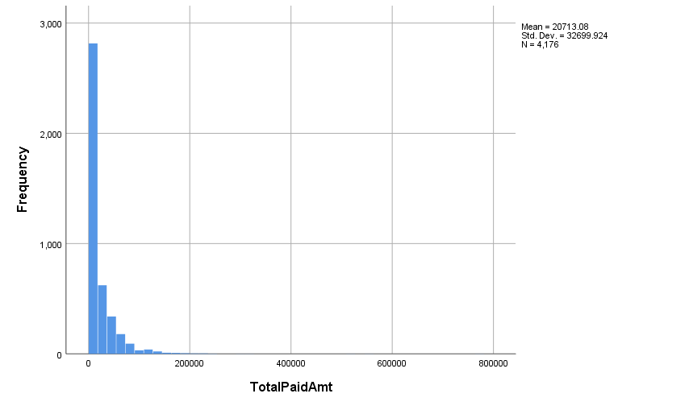

We can see that distribution is not normal
There are a few of values near Zero and beyond 1.5 laks

So we find the Outliers and delete them from the data

The table gives the exreme values of TotalAmtPaid

Extreme Values
 |  |  | Case Number | Value
TotalPaidAmt | Highest | 1 | 3298 | 775000
 |  | 2 | 267 | 556000
 |  | 3 | 1260 | 510000
 |  | 4 | 2927 | 316000
 |  | 5 | 3129 | 296800
 | Lowest | 1 | 4106 | 0
 |  | 2 | 4104 | 0
 |  | 3 | 3988 | 0
 |  | 4 | 3736 | 0
 |  | 5 | 3305 | 0a
a. Only a partial list of cases with the value 0 are shown in the table of lower extremes.

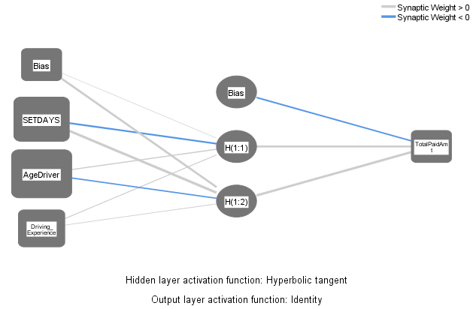
We run Neural Network after removing the extreme values
Case Processing Summary
 |  | N | Percent
Sample | Training | 3332 | 79.9%
 | Testing | 840 | 20.1%
Valid |  | 4172 | 100.0%
Excluded |  | 0
Total |  | 4172

Network Information
Input Layer | Covariates | 1 | SETDAYS
 |  | 2 | AgeDriver
 |  | 3 | Driving_Experience
 | Number of Unitsa |  | 3
 | Rescaling Method for Covariates |  | Standardized
Hidden Layer(s) | Number of Hidden Layers |  | 1
 | Number of Units in Hidden Layer 1a |  | 2
 | Activation Function |  | Hyperbolic tangent
Output Layer | Dependent Variables | 1 | TotalPaidAmt
 | Number of Units |  | 1
 | Rescaling Method for Scale Dependents |  | Standardized
 | Activation Function |  | Identity
 | Error Function |  | Sum of Squares
Driving_Experience | 0.25869545625
SETDAYS | 0.34688562569
AgeDriver | 0.39441891806
a. Excluding the bias unit

Model Summary
Training | Sum of Squares Error | 1537.574
 | Relative Error | 0.923
 | Stopping Rule Used | 1 consecutive step(s) with no decrease in errora
 | Training Time | 0:00:00.09
Testing | Sum of Squares Error | 446.017
 | Relative Error | 0.908
Dependent Variable: TotalPaidAmt
a. Error computations are based on the testing sample.

Independent Variable Importance
 | Importance | Normalized Importance
SETDAYS | 0.347 | 87.9% |  | MAPE2_Outliers = ABS(TotalPaidAmt - Pred1_TotalPaidAmt_outliers) / TotalPaidAmt * 100
AgeDriver | 0.394 | 100.0% |  | The MEAN ABSOLUTE % ERROR for the entire data is 446%
Driving_Experience | 0.259 | 65.6% |  |  | The Error is quite high

Descriptive Statistics
 | N | Minimum | Maximum | Mean | Std. Deviation
MAPE2_Outliers | 4145 | 0.04 | 142129.63 | 446.1172 | 2550.09058
Valid N (listwise) | 4145

 | There is a reduction in error.
 | As an exercise remove the outliers in Agedriver ,driving experience and compute the error again .
 | Let us see if we can improve this more.

 |  |  |  |  |  | There are no outliers in Driver Experience
The table gives the exreme values of Age of Driver |  |  |  |  |  | The table gives the exreme values of Driver Experience
Extreme Values |  |  |  |  |  | Extreme Values
 |  |  | Case Number | Value |  |  |  |  | Case Number | Value
AgeDriver | Highest | 1 | 3058 | 103 |  | Driving_Experience | Highest | 1 | 10 | 25
 |  | 2 | 3059 | 103 |  |  |  | 2 | 2386 | 25
 |  | 3 | 1877 | 79 |  |  |  | 3 | 2757 | 25
 |  | 4 | 254 | 74 |  |  |  | 4 | 3100 | 25
 |  | 5 | 3346 | 71 |  |  |  | 5 | 3306 | 25a
 | Lowest | 1 | 4170 | 0 |  |  | Lowest | 1 | 4159 | 1
 |  | 2 | 4167 | 0 |  |  |  | 2 | 4157 | 1
 |  | 3 | 4158 | 0 |  |  |  | 3 | 4156 | 1
 |  | 4 | 4131 | 0 |  |  |  | 4 | 4151 | 1
 |  | 5 | 4040 | 0a |  |  |  | 5 | 4134 | 1b
a. Only a partial list of cases with the value 0 are shown in the table of lower extremes. |  |  |  |  |  | a. Only a partial list of cases with the value 25 are shown in the table of upper extremes.
 |  |  |  |  |  | b. Only a partial list of cases with the value 1 are shown in the table of lower extremes.

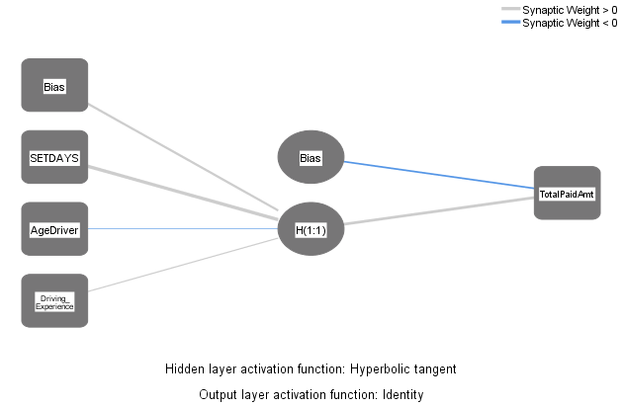
 |  |  |  |  |  |  |  |  | Model Summary
 |  |  |  |  |  |  |  |  | Training | Sum of Squares Error | 1524.095
 |  |  |  |  |  |  |  |  |  | Relative Error | 0.915
 |  |  |  |  |  |  |  |  |  | Stopping Rule Used | Relative change in training error criterion (.0001) achieved
 |  |  |  |  |  |  |  |  |  | Training Time | 0:00:00.12
 |  |  |  |  |  |  |  |  | Testing | Sum of Squares Error | 409.886
 |  |  |  |  |  |  |  |  |  | Relative Error | 0.941
 |  |  |  |  |  |  |  |  | Dependent Variable: TotalPaidAmt

 |  |  |  |  |  |  |  |  | Case Processing Summary
 |  |  |  |  |  |  |  |  |  |  | N | Percent
 |  |  |  |  |  |  |  |  | Sample | Training | 3332 | 80.0%
 |  |  |  |  |  |  |  |  |  | Testing | 835 | 20.0%
 |  |  |  |  |  |  |  |  | Valid |  | 4167 | 100.0%
 |  |  |  |  |  |  |  |  | Excluded |  | 0
Descriptive Statistics |  |  |  |  |  |  |  |  | Total |  | 4167
 | N | Minimum | Maximum | Mean | Std. Deviation
MAPE_Outliers1 | 4140 | 0.12 | 150947.11 | 450.2061 | 2690.06289
Valid N (listwise) | 4140

MAPE1_Outliers1 = ABS(TotalPaidAmt - Pred1_TotalPaidAmt) / TotalPaidAmt * 100
The MEAN ABSOLUTE % ERROR for the entire data is 450%

Decision Tree
 | Solution PART III

Building a DECISION TREE using only NON NUMERIC Variables

Building the decision tree with totalpaid amount as dependent variable & vehicletype.placeof accident & state code as Independent variables

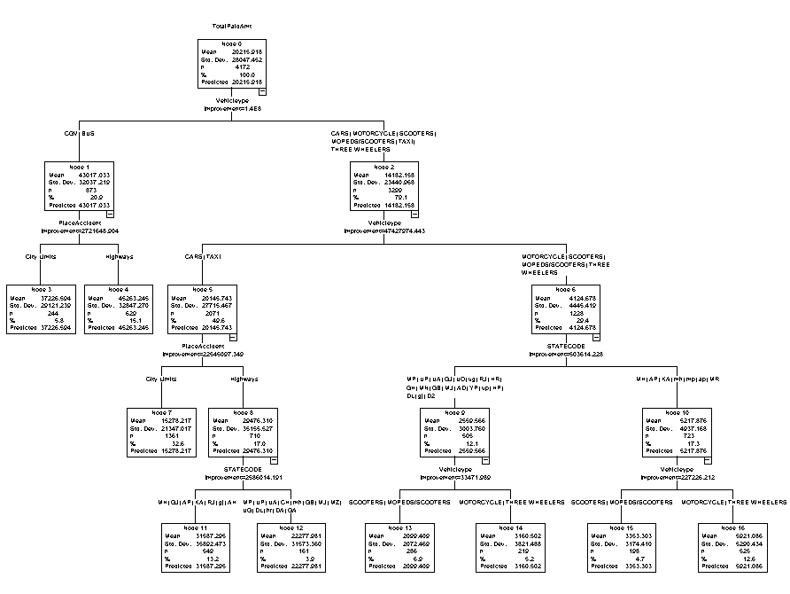
 |  | Model Summary
 |  | Specifications | Growing Method | CRT
 |  |  | Dependent Variable | TotalPaidAmt
 |  |  | Independent Variables | Vehicleype, PlaceAccident, STATECODE
 |  |  | Validation | None
 |  |  | Maximum Tree Depth | 5
 |  |  | Minimum Cases in Parent Node | 100
 |  |  | Minimum Cases in Child Node | 50
 |  | Results | Independent Variables Included | Vehicleype, PlaceAccident, STATECODE
 |  |  | Number of Nodes | 17
 |  |  | Number of Terminal Nodes | 9
 |  |  | Depth | 4

Solution Part 3 CGV
 | Running Neural Networks after filtering for CGV

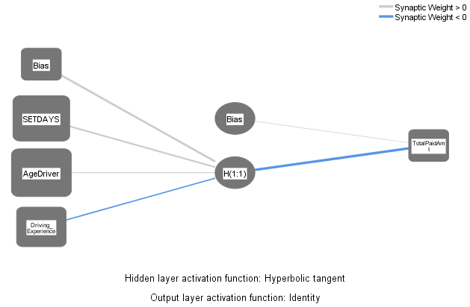
Case Processing Summary
 |  | N | Percent
Sample | Training | 647 | 78.2%
 | Testing | 180 | 21.8%
Valid |  | 827 | 100.0%
Excluded |  | 0
Total |  | 827

Network Information
Input Layer | Covariates | 1 | SETDAYS
 |  | 2 | AgeDriver
 |  | 3 | Driving_Experience
 | Number of Unitsa |  | 3
 | Rescaling Method for Covariates |  | Standardized
Hidden Layer(s) | Number of Hidden Layers |  | 1
 | Number of Units in Hidden Layer 1a |  | 1
 | Activation Function |  | Hyperbolic tangent
Output Layer | Dependent Variables | 1 | TotalPaidAmt
 | Number of Units |  | 1
 | Rescaling Method for Scale Dependents |  | Standardized
 | Activation Function |  | Identity
 | Error Function |  | Sum of Squares
a. Excluding the bias unit

Driving_Experience | 0.27810923317
SETDAYS | 0.34652768963
AgeDriver | 0.3753630772
Model Summary
Training | Sum of Squares Error | 320.400
 | Relative Error | 0.992
 | Stopping Rule Used | 1 consecutive step(s) with no decrease in errora
 | Training Time | 0:00:00.05
Testing | Sum of Squares Error | 85.671
 | Relative Error | 0.987
Dependent Variable: TotalPaidAmt
a. Error computations are based on the testing sample.
 |  |  |  | MAPE2_CGV = ABS(TotalPaidAmt - Pred3_TotalPaidAmt_Filter_CGV) / TotalPaidAmt * 100
Independent Variable Importance |  |  |  | The MEAN ABSOLUTE % ERROR for the entire data is 118.6%
 | Importance | Normalized Importance |  | Mean ABS % Error for this is about 120% . For the original data it was about 530%.
SETDAYS | 0.347 | 92.3%
AgeDriver | 0.375 | 100.0% |  | Descriptive Statistics
Driving_Experience | 0.278 | 74.1% |  |  | N | Minimum | Maximum | Mean | Std. Deviation
 |  |  |  | MAPE2_CGV | 823 | 0.10 | 7767.33 | 118.6487 | 363.82611
 |  |  |  | Valid N (listwise) | 823

Solution Part 3 BUS
 |  | Running Neural Networks after filtering for BUS

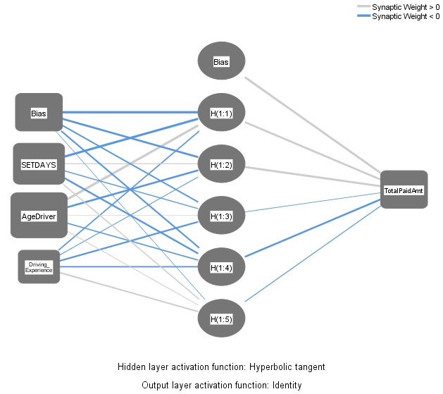
Case Processing Summary
 |  | N | Percent
Sample | Training | 38 | 82.6%
 | Testing | 8 | 17.4%
Valid |  | 46 | 100.0%
Excluded |  | 0
Total |  | 46

Network Information
Input Layer | Covariates | 1 | SETDAYS
 |  | 2 | AgeDriver
 |  | 3 | Driving_Experience
 | Number of Unitsa |  | 3
 | Rescaling Method for Covariates |  | Standardized
Hidden Layer(s) | Number of Hidden Layers |  | 1
 | Number of Units in Hidden Layer 1a |  | 5
 | Activation Function |  | Hyperbolic tangent
Output Layer | Dependent Variables | 1 | TotalPaidAmt
 | Number of Units |  | 1
 | Rescaling Method for Scale Dependents |  | Standardized
 | Activation Function |  | Identity
 | Error Function |  | Sum of Squares
a. Excluding the bias unit

Driving_Experience | 0.10325989243
SETDAYS | 0.37614848279
AgeDriver | 0.52059162478
Model Summary
Training | Sum of Squares Error | 12.097
 | Relative Error | 0.654
 | Stopping Rule Used | 1 consecutive step(s) with no decrease in errora
 | Training Time | 0:00:00.01
Testing | Sum of Squares Error | 7.361
 | Relative Error | 0.797
Dependent Variable: TotalPaidAmt
a. Error computations are based on the testing sample. |  |  |  | MAPE2_BUS = ABS(TotalPaidAmt - Pred3_TotalPaidAmt_Filter_BUS) / TotalPaidAmt * 100
 |  |  |  | The MEAN ABSOLUTE % ERROR for the entire data is 87.84%
 |  |  |  | Mean ABS % Error for this is about 120% . For the original data it was about 530%.
Independent Variable Importance
 | Importance | Normalized Importance |  |  | Descriptive Statistics
SETDAYS | 0.376 | 72.3% |  |  |  | N | Minimum | Maximum | Mean | Std. Deviation
AgeDriver | 0.521 | 100.0% |  |  | MAPE2_BUS | 45 | 0.59 | 388.19 | 87.8447 | 99.83297
Driving_Experience | 0.103 | 19.8% |  |  | Valid N (listwise) | 45

Solution Part 3 BUS & CityLimit
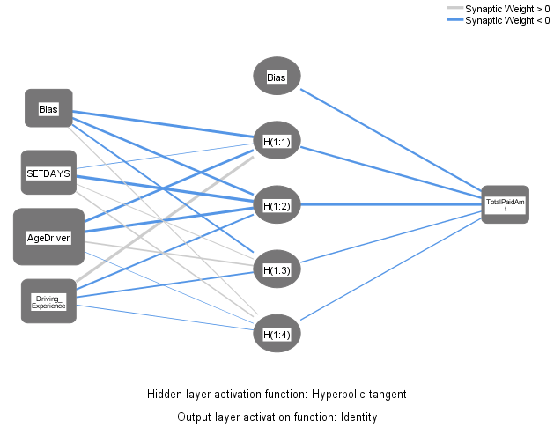
 |  | Running Neural Networks after filtering for BUS and City Limits
Case Processing Summary
 |  | N | Percent
Sample | Training | 12 | 75.0%
 | Testing | 4 | 25.0%
Valid |  | 16 | 100.0%
Excluded |  | 0
Total |  | 16

Network Information
Input Layer | Covariates | 1 | SETDAYS
 |  | 2 | AgeDriver
 |  | 3 | Driving_Experience
 | Number of Unitsa |  | 3
 | Rescaling Method for Covariates |  | Standardized
Hidden Layer(s) | Number of Hidden Layers |  | 1
 | Number of Units in Hidden Layer 1a |  | 4
 | Activation Function |  | Hyperbolic tangent
Output Layer | Dependent Variables | 1 | TotalPaidAmt
 | Number of Units |  | 1
 | Rescaling Method for Scale Dependents |  | Standardized
 | Activation Function |  | Identity
 | Error Function |  | Sum of Squares
Driving_Experience | 0.28456390425
SETDAYS | 0.28534501051
AgeDriver | 0.43009108524
a. Excluding the bias unit

Model Summary
Training | Sum of Squares Error | 2.590
 | Relative Error | 0.471
 | Stopping Rule Used | 1 consecutive step(s) with no decrease in errora
 | Training Time | 0:00:00.01
Testing | Sum of Squares Error | 0.231
 | Relative Error | 5.007
Dependent Variable: TotalPaidAmt |  |  |  | MAPE2_CityLimits_BUS = ABS(TotalPaidAmt - Pred3_TotalPaidAmt_Filter_BUS_City_Limits) / TotalPaidAmt * 100
a. Error computations are based on the testing sample. |  |  |  | The MEAN ABSOLUTE % ERROR for the entire data is 90.88%
 |  |  |  | Mean ABS % Error for this is about 120% . For the original data it was about 530%.

Independent Variable Importance |  |  |  | Descriptive Statistics
 | Importance | Normalized Importance |  |  | N | Minimum | Maximum | Mean | Std. Deviation
SETDAYS | 0.285 | 66.3% |  | MAPE2_CityLimits_BUS | 16 | 1.61 | 433.72 | 90.8815 | 126.43538
AgeDriver | 0.430 | 100.0% |  | Valid N (listwise) | 16
Driving_Experience | 0.285 | 66.2%

